Pie
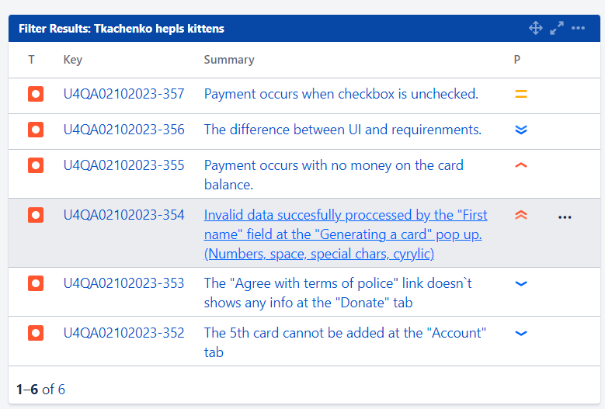
Summary report for the results of testing the "Help for kittens"application

Ratio of test cases by status
Ratio of test cases by priority
PASSED Test Cases | 24
FAILED Test Cases | 5 | Normal | 5
 |  | High | 24

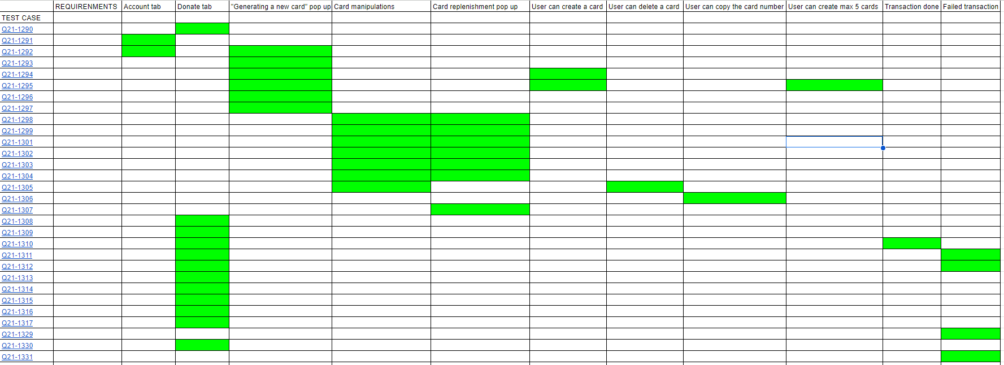
Requirements coverage
Ratio of bug reports by priority

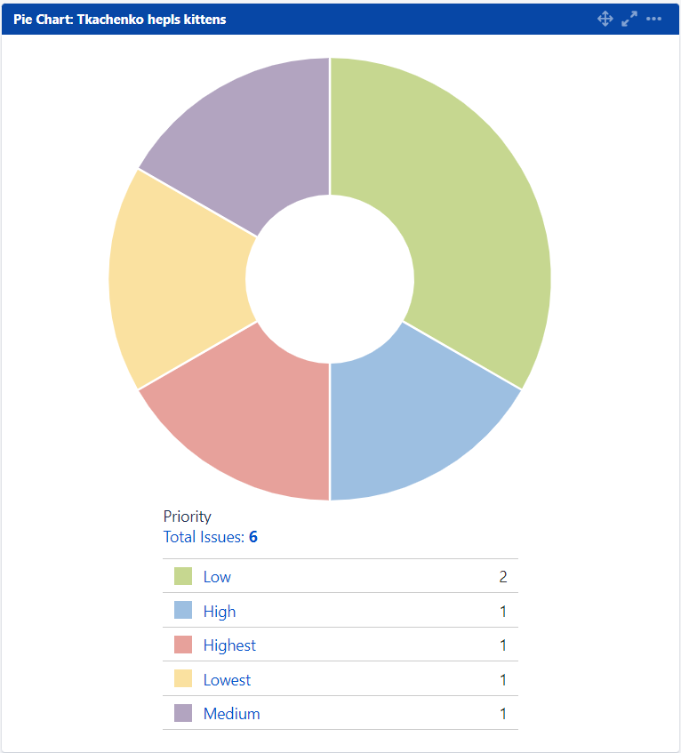

General list of found bugs

